info
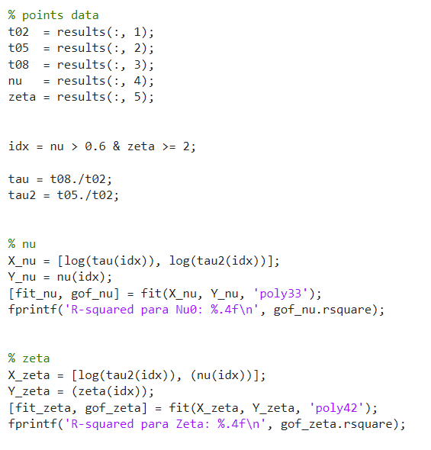
Error Table
NU ID | avg | -0.0044647984678
 | med | -0.00032205812733
 | max | -0.30753630767
Zeta ID | avg | 0.068578278111
 | med | 0.092140623528
 | max | 2.8913995713
RMS | avg | 0.085208555336
 | med | 0.035500514071
 | max | 0.9809268119

R^2
Nu
Zeta

